1. Title Page
Instacart Grocery Basket Analysis

Project Name: Instacart Grocery Basket Analysis
Date: May 7th, 2023
Analyst Name: Bruce Ramseyer

Contents:
Population Flow
Consistency checks
Wrangling steps
Column derivations
Visualizations
Recommendations

Citation: The Instacart Online Grocery Shopping Dataset 2017”, Accessed from www.instacart.com/datasets/grocery-shopping-2017 via Kaggle on 4/9/23.

2. Population Flow
Title page

Population flow

Exclusion flag
Condition: max_order < 5
Obervations to be removed: 1,440,295
Final total count of order_products_all: 30,964,564
Small random population: 9,720,383
Condition: max_order < 5 Final total count of insta_dept_hcust: 9,288,601

orders_prods_merged
ords_prods_merge_agg
instacart_merge

Total: 32,404,859
Total: 32,434,489
Total: 32,404,859

1.) The grey boxes in the first row of the population flow represent the original data sets as they were when you downloaded them. In the Total fields you need to add the count of the rows when you imported the data set into Jupyter.
2.) The second row of boxes (coloured) represents the data sets after you manipulated them, e.g., removed missing values and duplicates. In the Total fields you need to add the count of the rows after conducting these operations. This offers a visual oveview of how the data flows throughout the data consistency checks.
3.) The third row, where also the arrows are coloured, represents the merges you performed between the datasets. In the Total fields you need to add the count of the rows in the merged datasets, so that you end up with the final dataset (in the red box). Keep in mind the final dataset should be without exclusions (based on the exclusion flag).

3. Consistency checks
 |  |  |  |  | Title page
Consistency checks

Dataset | Missing values | Missing values treatment | Duplicates | Inconsistencies
orders | #ofdays_since_last_order field had 206,209 null values | imputed a zero value as these records represented the first customer order | none found | none found
products | product_name field had 16 null values | removed from df_prods dataframe | duplicated() panda function returned 5 values, which were removed from the dataframe | prices field had 5127 accounts with values outside of expected range of $100. These records were replaced with a null value.
orders_products_prior | none found | N/A | none found | none found
customers | none found | N/A | none found | none found

4. Wrangling steps
 |  |  |  | Title page
Wrangling steps

Columns dropped | Columns renamed | Columns' type changed | Comment/Reason
['eval_set'] from orders.csv |  |  | Contained only one value indicating a prior data set released by Instacart
 | ['order_dow'] from orders.csv |  | Updated for clarity to ['orders_day_of_week']
 | ['days_since_prior_order'] from orders.csv |  | Updated for clarity to ['#ofdays_since_last_order']
 |  | ['order_id'] from orders.csv | Converted to a string/object to eliminate calculations of statistics using the describe() function
 | ['Surnam'] from customers.csv |  | Updated for clarity to ['last_name']
 | ['Gender'] from customers.csv |  | Updated for consistent format to ['gender']
 | ['STATE'] from customers.csv |  | Updated for consistent format to ['state']
 | ['Age'] from customers.csv |  | Updated for consistent format to ['age']
 | ['n_dependants'] from customers.csv |  | Updated for clarity to ['num_dependants']
['First Name'] from customers.csv |  |  | 11259 null values found making the data incomplete, retained ['last_name'] for customer identification purposes
['last_name'] from customers.csv |  |  | Removing personally identifiable information for data security purposes
['_merge'] from instacart_merge.pkl |  |  | Unnecessary field retained from prior data set merge

5. Column derivations
 |  |  |  |  | Title page

Column derivations and aggregations

In this tab you should add tables below that the frequences of flags/label variables that you produced after deriving them. NB: don't do this for continuous variables, only for flags.
Dataset | New column | Column/s it was derived from | Conditions | Frequency
df_orders_prods_merged.pkl | ['price_range_loc'] | ['prices'] | Low-range product: ['prices'] <= 5 Mid-range product: ['prices'] > 5 and <= 15 High range product: ['prices'] > 15 | 10126321 21860860 417678
df_orders_prods_merged.pkl | ['busiest_days'] | ['orders_day_of_week'] | Busiest Days :['orders_day_of_week'] value == 0 or value == 1 Slowest Days: ['orders_day_of_week'] value == 4 or value == 3 Average Days: All other values | 11864412 7624336 12916111
df_orders_prods_merged.pkl | ['busiest_period_of_day'] | ['order_hour_of_day'] | Most orders: ['order_hour_of_day'] value == 10 or value == 11 Fewest orders: ['order_hour_of_day'] value == 4 or value == 3 Average orders: All other values | 5497900 104523 26802436
ords_prods_merge.pkl | ['loyalty_flag'] | ['order_number'] | Loyal customer: ['max_order'] > 40 Regular customer: ['max_order'] <=40 and > 10 New customer: ['max_order'] <= 10 | 10284093 15876776 6243990
ords_prods_merge.pkl | ['spending_flag'] | ['prices'] | High spender: ['mean_spend'] >= 10 Low spender: [''mean_spend''] <10 | 634245 31770614
ords_prods_merge.pkl | ['frequency_flag'] | ['#ofdays_since_last_order'] | Non-Frequent customer: ['#ofdays_since_last_order'] > 20 Regular customer: ['#ofdays_since_last_order'] <=20 and > 10 Frequent customer: < 10 | 2686728 6921472 22796659
df_instacart_sm | ['regions'] | ['state'] | Northeast: Midwest: South: West: * Regions defined by state location | 1716981 2280636 3236131 2487436
df_instacart_sm | ['activity_flag'] | ['order_number'] | High customer activity: ['max_order'] >= 5 Low customer activity: ['max_order'] < 5 | 9289584 431600
df_instacart_hcust | ['age_profile'] | ['age'] | 18-39: ['age'] <= 39 40 - 59: ['age'] <=59 and > 39 60+: ['age'] > 59 | 3198017 3172877 2918690
df_instacart_hcust | ['income_profile'] | ['income'] | Lower income: ['max_order'] <= 30000 Middle income: ['max_order'] <= 90000 and > 30000 Upper income ['max_order'] > 90000 | 57819 3881257 5350508

6. Visualizations
 |  |  | Title page

Visualisations

In this tab you should include all the visualtions from Exercises 4.9 and 4.10, alongside the questions from the project brief that they answer. Include any commentary on the relationship between different variables
based off value counts from the 'orders_day_of_week" field.

Question # | Question | Commentary

1 | What are the busiest days of the week and hours of the day? | Orders_dow variable contains values 0-6 that represent the days of the week. Each day corresponds to a number with Saturday beginning the week at a value of 0 and Friday ending the week at a value of 6. Bar graph shows Saturday (0) and Sunday (1) as the busiest shopping days of the week.
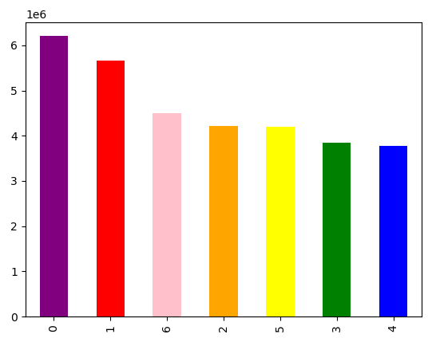

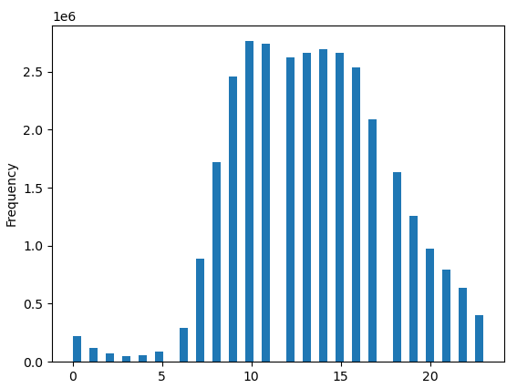
 |  | Histogram of order_hour_of_day shows higher frequency of values between 9 and 5 pm.

2 | What time of day do customers spend the most money? | Most expensive items are purchased at approximately 3 am, with less expensive items purchased around 10 am. Price per hour is fairly consistent in the afternoon hours. Totals sales based off max ['prices'] was created to show sale totals match busiest hours of day.
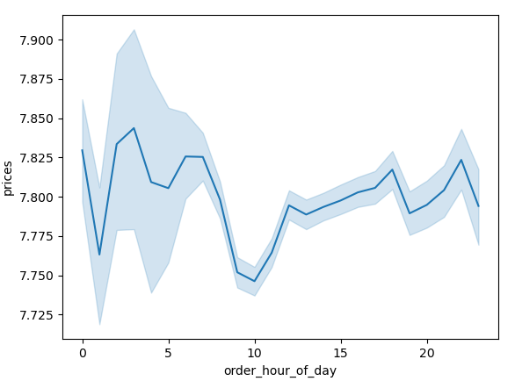

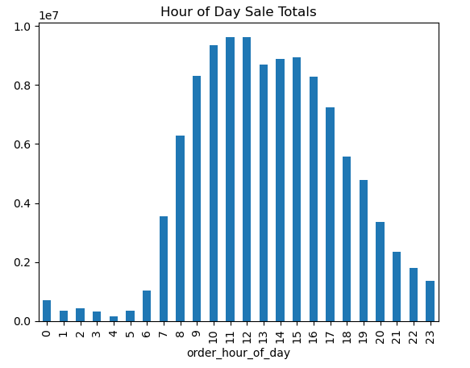

3 | Can we define a simpler price range grouping? | No visualization was created after defining low to high-range price items.

4 | Are certain type of products more popular? | No visualization was created to review specific types of products.

5 | What's the distribution among users in regards to their brand loyalty? | The largest customer base consists of "Regular customers" who have exceed more than 10 orders, but less than or equal to 40. The "Loyal customer" for individuals with over 40 orders is second.
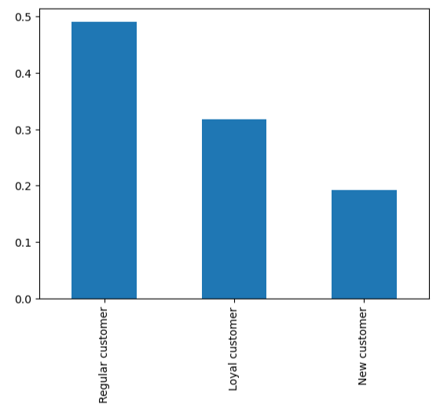

6 | Are there differences in ordering habits based on a customer's loyalty status? | Loyal and Regular customers have the highest count of frequency (fewerthan 10 days between orders). Overall, Intagram has more Regular (non-loyal) customers ordering between 10 to 20 days. New customers are evenly split in regards to there order frequency.
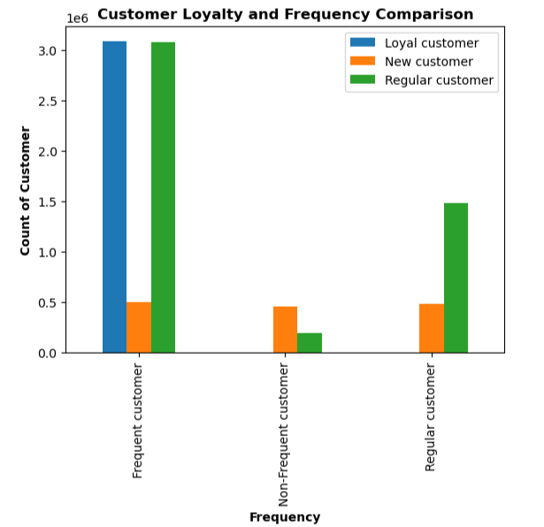

7 | Are there differences in ordering habits based on a customer's region? | Top five departments were determined to be: (1) produce, (2) dairy/eggs, (3) snacks, (4) beverages, and (5) frozen items. There was no discernable difference when comparing the ratios of number of orders in these departments by region.
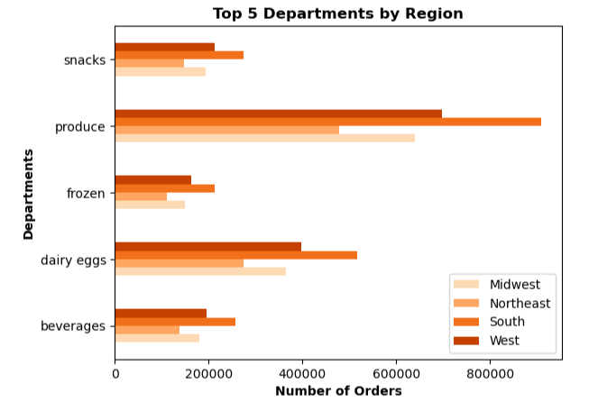

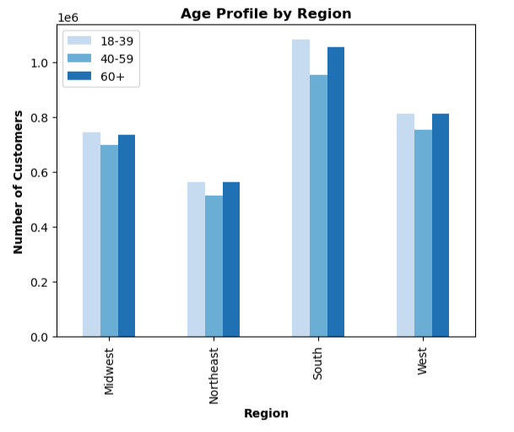
 |  | The South region has slightly more customers in the 18-39 year age bracket, which leads to a larger ratio difference between middle and upper income than other states. The region still has the largest customer bases, thus counting for more sales than other regions.

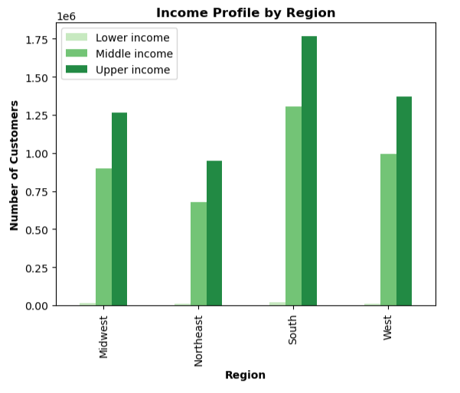

8 | Is there a connection between age and family status in terms of ordering habits? | Top five departments were consistent in both age and number of dependants. Age and family size does not appear to be a factor in overall ordering habits.
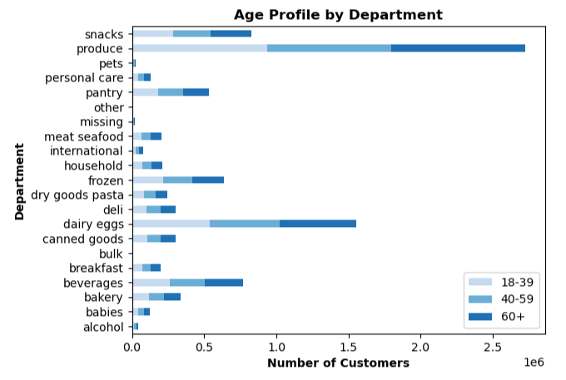

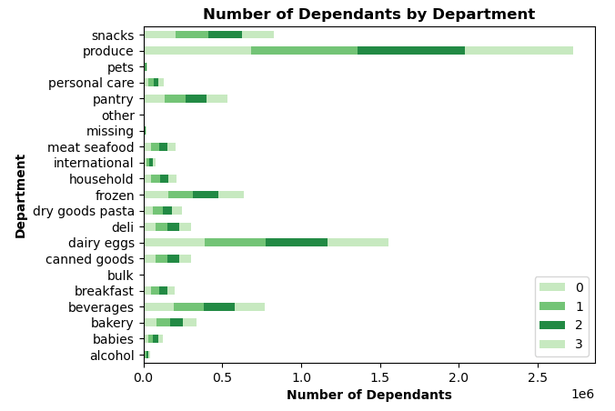

9 | What different classifications does the demographic information suggest? | Upper income customers, those with salaries greater than $90,000, make up 58% of the instacart customer base. Middle income, customers making over $30,000 but less than or equal to $90,000, comprise of another 42 percentage. This demonstrates Instagram's customer demographic are individuals with higher wages.
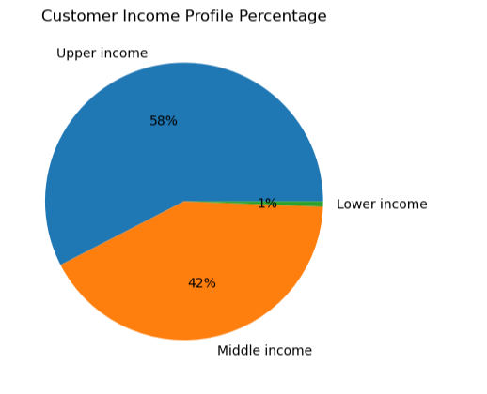

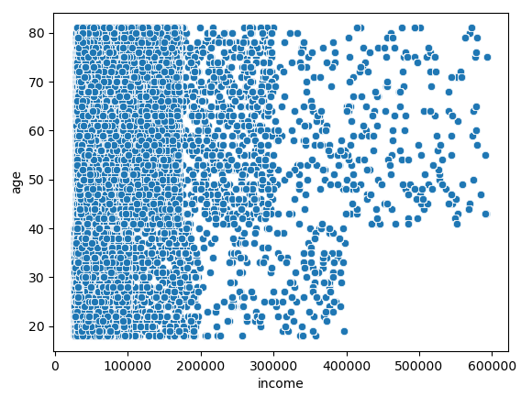

 |  | The scatterplot comparison of age to income further demonstrates that more customers are below a $20,000 income and anyone under 40 years of age is below a $40,000 income. Therefore, the majority of Instagram customers are above 40 years of age.

10 | What differences can you find in ordering habits of different customers? | No visualization demonstrates a difference in pattern from departmental ordering trends.

7. Recommendations
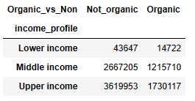
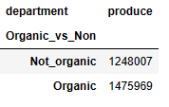
 |  |  |  | Title page

Recommendations

In this tab you should include any recommendations you would made to Instcart in terms of their marketing strategy based on the questions posed in the brief. Every key question has been covered in the Tasks of the Exercises - here you need to add an item - a visualisation or table/crosstable that is showing the answer in the data, acompanied by a comment from you. Please, list the questions below and add the answer underneath.

Question # | Question | Department | Answer

1 | What are the busiest days of the week and hours of the day? | Sales | Saturday (x-axis = 0) was determined the busiest day of the week, followed by Sunday (x-axis = 1) based off a matplotlib bar chart using 'orders_day_of_week' value counts. Sales peak 10 am and stay relatively high until 4pm based off a matplotlib histogram showing frequency of 'order_hour_of_day' values. Instacart higher weekend volume trends mirror pre-COVID analysis by NCSolutions (https://info.ncsolutions.com/blog/thanks-to-covid-19-sunday-is-no-longer-the-number-one-grocery-shopping-day-for-now) and other sources. Hours of day are also consist and reported by Insider (https://www.insider.com/best-time-to-go-grocery-shopping-2018-3) as the busiest times or "worst times" to shop. Knowing Instacart customers' behave similar to instore buyers, this data could be leveraged by Marketing to "skip the lines" or "avoid the wait" by choosing same-day delivery options. If Instacart is looking to curbing the common trend due to capacity issues, then offering days of the week or early-bird/night owl special offers could be implemented.

2 | What time of day do customers spend the most money? | Sales | The seaborn line graph of 'order_hour_of_day' shows the most expensive products averages are purchased between 2 and 3 am. The lowest sales are at 1 am and 9 to 10 am. However, there isn't much difference between 10 am purchase of a $7.75 item versus an $7.85 item at 3 am. Reviewing total sales by hour of the day, the trend mirrors the busiest hours trends with the most sales occuring between 10 am and 12 pm. Recommendations remain the same as those provided regarding the busiest hours.

3 | 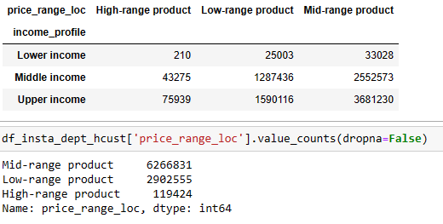 Can we define a simpler price range grouping? | Marketing/Sales | The variable ['price_range_loc'] was created to group product prices into three categories: Low, Mid, and High-range products. Low-range consists of any products at or below $5. Mid-range is above $5 and less than or equal to $15. High-range is any product above $15. 5127 rows were updated to a null value after analysis uncovered prices at $14,900 on lowfat cottage cheese and $99,999 for 2% milk. Final value counts of the new variable are provided on the far left. Income profiles were then compared against a subset population of ['price_range_loc'] which shows upper-income customer account for almost twice as many sales of high-range products than middle-income customers. Upper-income also accounted for a higher percentage of sales in the mid to low-product ranges. The smallest percentage gap between middle and high-income was low-range products. Instagram's customer base consists more of upper-income customers, but needs to retain middle-income customers as well. These customers are more likely to spend on low-range products. A good variety of lesser priced options or offers of higher priced items will best support this customer base.

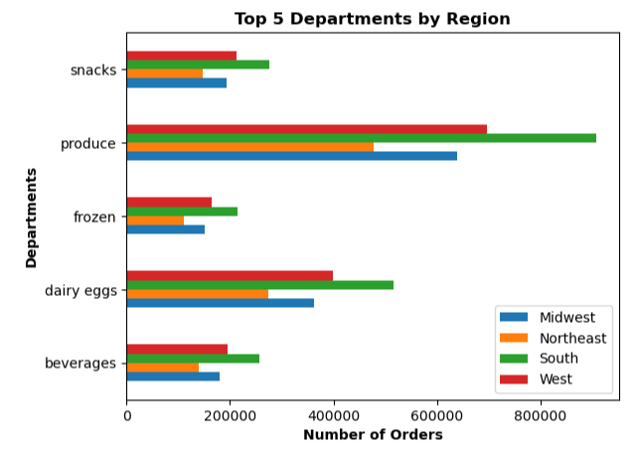
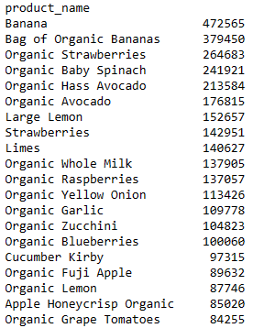
4 | Are certain type of products more popular? | Marketing/Sales | Multiple demographics by age, income, family size, and region were reviewed with all results concluding the produce department receiving the most orders. The top 20 value counts of ['product_name'] support this analysis as all but one item, Organic Whole Milk, are produce related. Bananas (both organic and non-organic varities) are the most order products. Focusing on delivering fresh produce will continue to drive sales and lowering prices via offers on top items will better support middle-income customers.

5 | What's the distribution among users in regards to their brand loyalty? | Marketing/Sales | Regular customers, those with more than 10 total orders and less than or equal to 40, are the largest segment is regards to brand loyalty based off a matplotlib bar chart using 'max_order' value counts. Loyal customers are those that have more than 40 total orders and new customers are those with 10 or less. Instacart's overall goal needs to be converting new customers to regular customers and regular customers to loyal customers be incentiving repeat business and continued marketing of the service's convience.

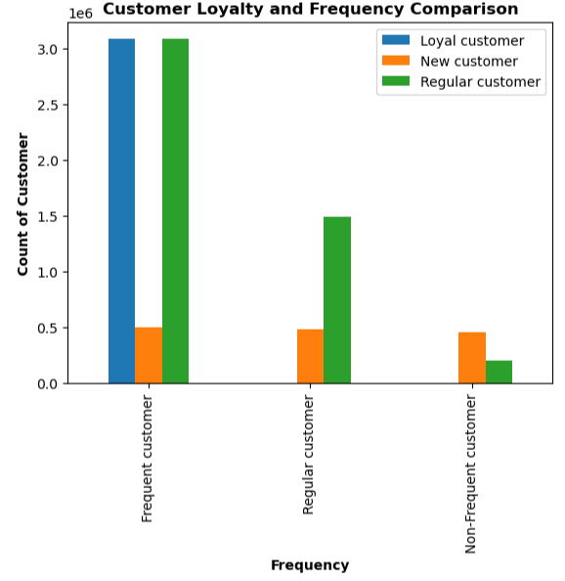
6 | Are there differences in ordering habits based on a customer's loyalty status? | Marketing/Sales | The comparison bar chart of Customer Loyalty to Frequency shows loyal and regular customers use Instacart more often, with less than 10 days between orders. Converting new customers into regular customers is critical as this will significantly increase their frequency of use.

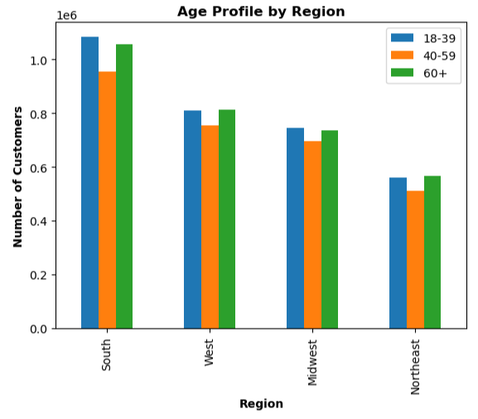
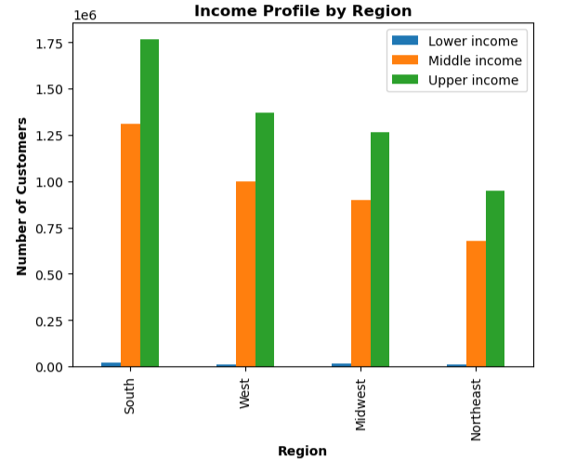
7 |  Are there differences in ordering habits based on a customer's region? | Marketing/Sales | Region followed the same pattern as income, age, and family size in regards to most popular departments of produce, dairy/eggs, beverages, snacks, and frozen items. Instacarts largest customer base is within the South region; which accounts for that are having more number of orders. Additional population analysis is needed to determine if a larger customer base exists in the the South region simply based of state geography or other factors. The South region does have a slightly higher ratio of 18-39 year olds. Income analysis shows customers over 40 years of age are more likely to be within a middle to high-income bracket. This slightly impacts spending habits in the South region, about a 1% difference than other regions, given the reduction in income. No additional recommedations based off region as no variations were found concerning product range, loyalty, or frequency habits.

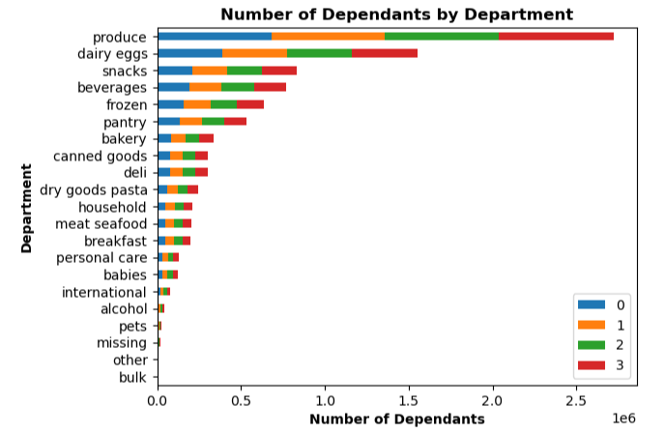
8 | 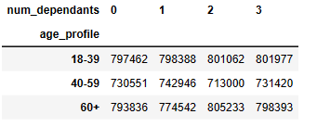 Is there a connection between age and family status in terms of ordering habits? | Marketing/Sales | Family size did not change customer's spending habits in regards to most popular departments. The difference in ratios between age and/or income versus the number of dependants was minimal. Averages in days of week, hours of day, and days since last order were also minimal. Overall, Instacart's customer base is compromised 25% individuals with no dependants and 75% with dependants. Customers with one dependant spent the least, where as customers with no dependants and those with two dependants spent the most. Marketing should divest more resources in family oriented content given this will cover the majority of customers and specifically target individuals without dependants to address how the convenience of services fits their lifestyle.
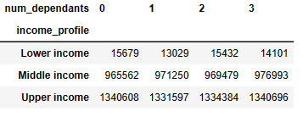

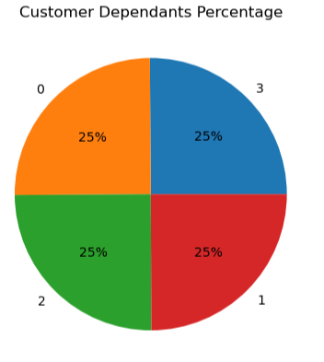

9 | What different classifications does the demographic information suggest? | Marketing/Sales | The most impactful demographic to customer spending habits is a result of customer income. Upper-income customers, those with salaries more than $90 per year, make up 58% of the customer base. Middle-income customers with incomes over $30k and less than or equal to $90k, account for another 42%. Averages between all income types regarding days of week, hours of day, and days since last order are very consistent. Middle to higher income customers, however, account for 99% of all sales. The scatterplot comparison of age versus income does on the left does show individuals under 40 years of age tend to make less than $40k per year. Therefore, Instacart's higher spending customer base is primarly over 40 years of age. That said, over one-third of Instacart's are less than 39 years of age so this demographic should not be ignored.

10 | What differences can you find in ordering habits of different customers? | Marketing/Sales | Overall, organic products account for 32% of sales amongst all departments and are purchsed fairly equally by middle and upper-income customers. In the produce department, organics account for 54% of the inventory and are four out five of the top purchases. The popularity of these products indicate high-demand focus point for sales and marketing.

